Hoja1
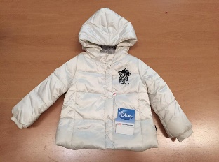
PICTURE | BRAND | MODEL | COLOUR | SIZE | QTY
 | Original Marine | Minnie mouse | White | 0/3 m | 19
 | Original Marine | Minnie mouse | White | 3/6 m | 79
 | Original Marine | Minnie mouse | White | 6/9 m | 163
 | Original Marine | Minnie mouse | White | 9/12 m | 6
 | Original Marine | Minnie mouse | White | 12/18 m | 2
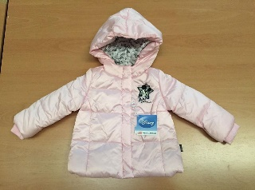
 | Original Marine | Minnie mouse | Pink | 0/3 m | 30
 | Original Marine | Minnie mouse | Pink | 3/6 m | 69
 | Original Marine | Minnie mouse | Pink | 6/9 m | 142
 | Original Marine | Minnie mouse | Pink | 9/12 m | 5
 | Original Marine | Minnie mouse | Pink | 12/18 m | 9
 | Original Marine | Snoopy | Black | 10y | 37
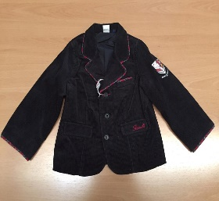
 |  | Snoopy | Black | 6/9 m | 1
 | Original Marine | Snoopy | Black | 9/12 m | 10
 | Original Marine | Snoopy | Black | 2y | 4
 | Original Marine | Snoopy | Black | 4y | 12
 | Original Marine | Snoopy | Black | 8y | 9
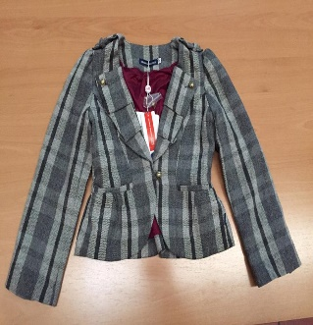
 | Original Marine | Check | Grey | 2y | 8
 | Original Marine | Check | Grey | 4y | 13
 | Original Marine | Check | Grey | 6y | 15
 | Original Marine | Check | Grey | 8y | 55
 | Original Marine | Check | Grey | 10y | 30
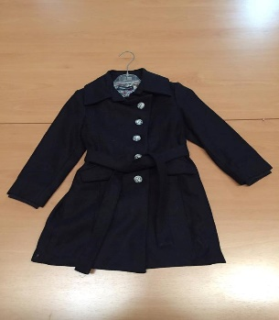
 | Original Marine | Check | Grey | 12y | 16
 | Original Marine | Woolen coat | Dark Blue | 2y | 14
 | Original Marine | Woolen coat | Dark Blue | 4y | 10
 | Original Marine | Woolen coat | Dark Blue | 6y | 18
 | Original Marine | Woolen coat | Dark Blue | 8y | 7
 | Original Marine | Woolen coat | Dark Blue | 10y | 4
 | Original Marine | Woolen coat | Dark Blue | 12y | 5
 | Original Marine | Jean jacket | Blue | 6/9 m | 3
 | Original Marine | Jean jacket | Blue | 9/12 m | 15
 | Original Marine | Jean jacket | Blue | 12/18 y | 12
 | Original Marine | Fur jacket | Red | 2 y | 15
 | Original Marine | Fur jacket | Red | 4 y | 12
 | Original Marine | Fur jacket | Red | 6 y | 8
 | Original Marine | Fur jacket | White | 2 y | 2
 | Original Marine | Fur jacket | White | 6 y | 1
PICTURE | BRAND | MODEL | COLOUR | SIZE | QTY
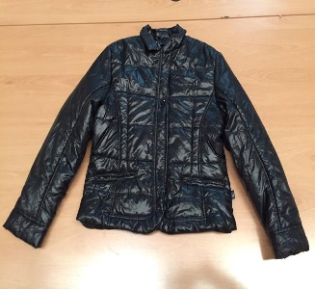
 | Original Marine | Down jacket | Black | 2 y | 20
 | Original Marine | Down jacket | Black | 4 y | 3
 | Original Marine | Down jacket | Black | 6 y | 8
 | Original Marine | Down jacket | Black | 8 y | 15
 | Original Marine | Down jacket | Black | 10 y | 2
 | Original Marine | Down jacket | Black | 12 y | 1
 | Original Marine | Navy jacket | Red | 6/9 m | 7
 | Original Marine | Navy jacket | Red | 9/12 m | 18
 | Original Marine | Navy jacket | Red | 12/18 m | 8
 | Original Marine | Navy jacket | Blue | 9/12 m | 3
 | Original Marine | Navy jacket | Blue | 4 y | 0
 | Original Marine | Down jacket | White | 6/9 m | 2
 | Original Marine | Down jacket | White | 9/12 m | 1
 | Original Marine | Down jacket | Red | 6/9 m | 5
 | Original Marine | Down jacket | Red | 9/12 m | 1
 | Original Marine | Spot jacket | white | 3/6 m | 1
 | Original Marine | Spot jacket | white | 6/9 m | 9
 | Original Marine | Various | Various | Various | 32
 | Original Marine | Various
 | Original Marine | Various
 | Original Marine | Various
 | Original Marine | Various
 | Original Marine | Various
 | Original Marine | Various
 | Original Marine | Various
 | Original Marine | Various
 | Original Marine | Various
 | Original Marine | Various
 | Original Marine | Various
 | Original Marine | Various
 | Original Marine | Various
 | Original Marine | Various
 |  |  |  |  | 996

